Spillovers and the SDGs
International Spillovers and the Sustainable Development Goals
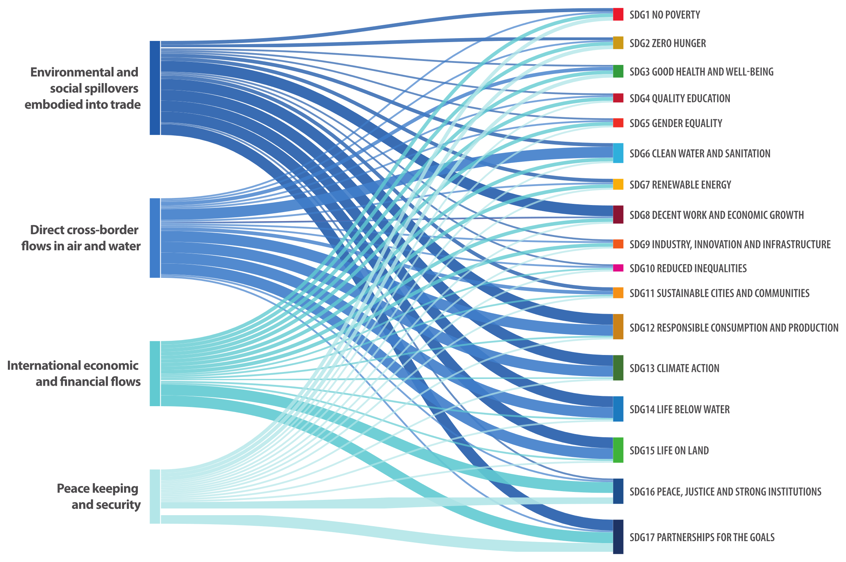

Note: The width of the lines denotes (3) Direct significant impact, (2) Moderate impact (direct or indirect) and (1) No or limited impact.
Source: Authors.

Data
 | SDG1: No Poverty | SDG2: Zero Hunger | SDG3: Good Health and Well-Being | SDG4: Quality Education | SDG5: Gender Equality | SDG6: Clean Water and Sanitation | SDG7: Renewable Energy | SDG8: Decent Work and Economic Growth | SDG9: Industry, Innovation and Infrastructure | SDG10: Reduced Inequalities | SDG11: Sustainable Cities and Communities | SDG12: Responsible Consumption and Production | SDG13: Climate Action | SDG14: Life Below Water | SDG15: Life on Land | SDG16: Peace, Justice and Strong Institutions | SDG17: Partnerships for the Goals
Environmental and social spillovers embodied into trade | 2 | 2 | 1 | 1 | 1 | 2 | 2 | 3 | 1 | 1 | 2 | 3 | 3 | 3 | 3 | 1 | 3
Direct cross-border flows in air and water | 1 | 1 | 2 | 1 | 1 | 3 | 1 | 1 | 1 | 1 | 2 | 3 | 3 | 3 | 3 | 1 | 1
International economic and financial flows | 2 | 2 | 2 | 2 | 2 | 2 | 2 | 2 | 2 | 1 | 1 | 1 | 1 | 1 | 1 | 3 | 3
Peace keeping and security | 2 | 2 | 2 | 1 | 1 | 1 | 1 | 1 | 1 | 1 | 1 | 1 | 1 | 1 | 1 | 3 | 3

